Direct step
DIRECT STEP METHOD
Input specified in the green cells. For given q, n, S_{o}, g, calculate critical depth and normal depth. Assume critical depth at the riffle crest. Work upstream from crest.
In each row (except the first), we calculate the average S_{f} between the two sections and use this in our calculation of Δx.
Note that the cells in B3:B9 are all named, which makes reading the formulas much easier.
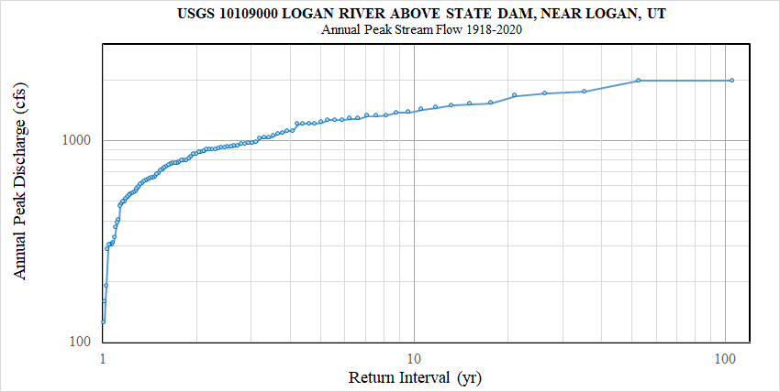
 |  |  |  |  |  |  |  |  |  | Q | 857 | cfs | What Q should I use? | Flood Frequency plot
 |  |  |  |  |  |  |  |  |  | Q | 24.3 | cms | What D should I use? | See Sheet GSD
q | 1.28 | m2/s |  |  |  |  |  |  |  | B | 19 | m | What n should I use? | More tomorrow
Hbw | 0 | m |  |  |  |  |  |  |  | q | 1.28 | m2/s | What So should I use? | See Profile
n | 0.037
So | 0.012
g | 9.81 | m/s2
hc | 0.550 | m
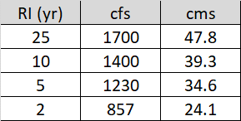
hn | 0.607 | m
Increment depth in baby steps
Calculate E for each depth
Calculate h, S_{f} for reach between stations

 |  | Mean between two stations
h | E | hbar | Sf | Dx | x | WSEL | t*50 | t*90 | t*??
(m) | (m) | (m) |  | (m) | (m) | (m) |  |  | ?? = 90 mm
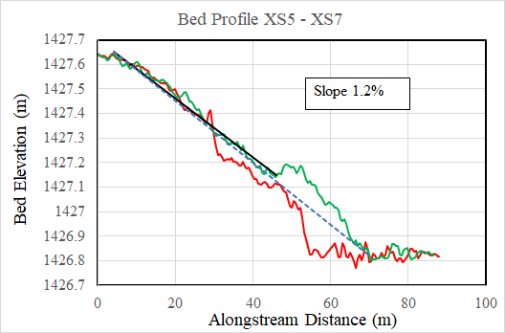
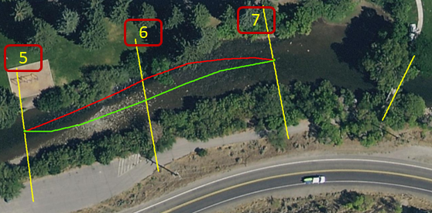
0.550 | 0.825 |  |  |  | 0.00 | 0.55 |  |  |  |  |  |  |  |  | 0.000
0.552 | 0.825 | 0.551 | 0.0166 | -0.003 | 0.00 | 0.55 | 0.050 | 0.023 | 0.061 |  |  |  |  |  | 0.000
0.554 | 0.825 | 0.553 | 0.0163 | -0.010 | 0.01 | 0.55 | 0.049 | 0.023 | 0.061 |  |  |  |  |  | 0.000
0.557 | 0.825 | 0.556 | 0.0161 | -0.017 | 0.03 | 0.56 | 0.049 | 0.023 | 0.060 |  |  |  |  |  | 0.000
0.559 | 0.825 | 0.558 | 0.0159 | -0.025 | 0.05 | 0.56 | 0.048 | 0.022 | 0.060 |  |  |  |  |  | 0.001
0.561 | 0.825 | 0.560 | 0.0157 | -0.033 | 0.09 | 0.56 | 0.048 | 0.022 | 0.059 |  |  |  |  |  | 0.001
0.564 | 0.825 | 0.562 | 0.0155 | -0.043 | 0.13 | 0.57 | 0.047 | 0.022 | 0.059 |  |  |  |  |  | 0.002
0.566 | 0.826 | 0.565 | 0.0153 | -0.054 | 0.18 | 0.57 | 0.047 | 0.022 | 0.058 |  |  |  |  |  | 0.002
0.568 | 0.826 | 0.567 | 0.0150 | -0.065 | 0.25 | 0.57 | 0.046 | 0.022 | 0.057 |  |  |  |  |  | 0.003
0.570 | 0.826 | 0.569 | 0.0148 | -0.079 | 0.33 | 0.57 | 0.046 | 0.021 | 0.057 |  |  |  |  |  | 0.004
0.573 | 0.826 | 0.572 | 0.0147 | -0.094 | 0.42 | 0.58 | 0.046 | 0.021 | 0.056 |  |  |  |  |  | 0.005
0.575 | 0.826 | 0.574 | 0.0145 | -0.111 | 0.53 | 0.58 | 0.045 | 0.021 | 0.056 |  |  |  |  |  | 0.006
 | t*50 | t*90 | t*??
0.00
0.00 | 0.050 | 0.023 | 0.061
0.01 | 0.049 | 0.023 | 0.061
0.03 | 0.049 | 0.023 | 0.060
0.05 | 0.048 | 0.022 | 0.060
0.09 | 0.048 | 0.022 | 0.059
0.13 | 0.047 | 0.022 | 0.059
0.18 | 0.047 | 0.022 | 0.058
0.25 | 0.046 | 0.022 | 0.057
0.33 | 0.046 | 0.021 | 0.057
0.42 | 0.046 | 0.021 | 0.056
0.53 | 0.045 | 0.021 | 0.056
0.66 | 0.045 | 0.021 | 0.055
0.82 | 0.044 | 0.021 | 0.055
1.00 | 0.044 | 0.020 | 0.054
1.21 | 0.044 | 0.020 | 0.054
1.46 | 0.043 | 0.020 | 0.053
1.76 | 0.043 | 0.020 | 0.053
2.12 | 0.042 | 0.020 | 0.052
2.56 | 0.042 | 0.020 | 0.052
3.11 | 0.042 | 0.019 | 0.051
3.27 | 0.041 | 0.019 | 0.051
3.44 | 0.041 | 0.019 | 0.051
3.62 | 0.041 | 0.019 | 0.051
3.82 | 0.041 | 0.019 | 0.051
4.03 | 0.041 | 0.019 | 0.051
4.26 | 0.041 | 0.019 | 0.051
4.50 | 0.041 | 0.019 | 0.051
4.77 | 0.041 | 0.019 | 0.050
5.07 | 0.041 | 0.019 | 0.050
5.40 | 0.041 | 0.019 | 0.050
5.77 | 0.040 | 0.019 | 0.050
6.19 | 0.040 | 0.019 | 0.050
6.67 | 0.040 | 0.019 | 0.050
7.22 | 0.040 | 0.019 | 0.050
7.89 | 0.040 | 0.019 | 0.050
8.71 | 0.040 | 0.019 | 0.050
9.78 | 0.040 | 0.019 | 0.049
11.30 | 0.040 | 0.019 | 0.049
13.84 | 0.040 | 0.018 | 0.049
21.57 | 0.040 | 0.018 | 0.049
0.577 | 0.827 | 0.576 | 0.0143 | -0.131 | 0.66 | 0.59 | 0.045 | 0.021 | 0.055 |  |  |  |  |  | 0.008
0.580 | 0.827 | 0.578 | 0.0141 | -0.154 | 0.82 | 0.59 | 0.044 | 0.021 | 0.055 |  |  |  |  |  | 0.010
0.582 | 0.827 | 0.581 | 0.0139 | -0.180 | 1.00 | 0.59 | 0.044 | 0.020 | 0.054 |  |  |  |  |  | 0.012
0.584 | 0.828 | 0.583 | 0.0137 | -0.212 | 1.21 | 0.60 | 0.044 | 0.020 | 0.054 |  |  |  |  |  | 0.015
0.586 | 0.828 | 0.585 | 0.0135 | -0.251 | 1.46 | 0.60 | 0.043 | 0.020 | 0.053 |  |  |  |  |  | 0.018
0.589 | 0.829 | 0.587 | 0.0134 | -0.299 | 1.76 | 0.61 | 0.043 | 0.020 | 0.053 |  |  |  |  |  | 0.021
0.591 | 0.829 | 0.590 | 0.0132 | -0.360 | 2.12 | 0.62 | 0.042 | 0.020 | 0.052 |  |  |  |  |  | 0.025
0.593 | 0.829 | 0.592 | 0.0130 | -0.439 | 2.56 | 0.62 | 0.042 | 0.020 | 0.052 |  |  |  |  |  | 0.031
0.595 | 0.830 | 0.594 | 0.0129 | -0.548 | 3.11 | 0.63 | 0.042 | 0.019 | 0.051 |  |  |  |  |  | 0.037
0.596 | 0.830 | 0.596 | 0.0128 | -0.160 | 3.27 | 0.64 | 0.041 | 0.019 | 0.051 |  |  |  |  |  | 0.039
0.597 | 0.830 | 0.596 | 0.0127 | -0.170 | 3.44 | 0.64 | 0.041 | 0.019 | 0.051 |  |  |  |  |  | 0.041
0.597 | 0.830 | 0.597 | 0.0127 | -0.182 | 3.62 | 0.64 | 0.041 | 0.019 | 0.051 |  |  |  |  |  | 0.043
0.598 | 0.830 | 0.597 | 0.0126 | -0.196 | 3.82 | 0.64 | 0.041 | 0.019 | 0.051 |  |  |  |  |  | 0.046
0.598 | 0.831 | 0.598 | 0.0126 | -0.211 | 4.03 | 0.65 | 0.041 | 0.019 | 0.051 |  |  |  |  |  | 0.048
0.599 | 0.831 | 0.599 | 0.0126 | -0.228 | 4.26 | 0.65 | 0.041 | 0.019 | 0.051 |  |  |  |  |  | 0.051
0.599 | 0.831 | 0.599 | 0.0125 | -0.248 | 4.50 | 0.65 | 0.041 | 0.019 | 0.051 |  |  |  |  |  | 0.054
0.600 | 0.831 | 0.600 | 0.0125 | -0.271 | 4.77 | 0.66 | 0.041 | 0.019 | 0.050 |  |  |  |  |  | 0.057
0.601 | 0.831 | 0.600 | 0.0124 | -0.298 | 5.07 | 0.66 | 0.041 | 0.019 | 0.050 |  |  |  |  |  | 0.061
0.601 | 0.831 | 0.601 | 0.0124 | -0.330 | 5.40 | 0.67 | 0.041 | 0.019 | 0.050 |  |  |  |  |  | 0.065
0.602 | 0.831 | 0.601 | 0.0124 | -0.369 | 5.77 | 0.67 | 0.040 | 0.019 | 0.050 |  |  |  |  |  | 0.069
0.602 | 0.832 | 0.602 | 0.0123 | -0.417 | 6.19 | 0.68 | 0.040 | 0.019 | 0.050 |  |  |  |  |  | 0.074
0.603 | 0.832 | 0.603 | 0.0123 | -0.478 | 6.67 | 0.68 | 0.040 | 0.019 | 0.050 |  |  |  |  |  | 0.080
0.603 | 0.832 | 0.603 | 0.0122 | -0.558 | 7.22 | 0.69 | 0.040 | 0.019 | 0.050 |  |  |  |  |  | 0.087
0.604 | 0.832 | 0.604 | 0.0122 | -0.666 | 7.89 | 0.70 | 0.040 | 0.019 | 0.050 |  |  |  |  |  | 0.095
0.605 | 0.832 | 0.604 | 0.0122 | -0.823 | 8.71 | 0.71 | 0.040 | 0.019 | 0.050 |  |  |  |  |  | 0.105
0.605 | 0.832 | 0.605 | 0.0121 | -1.070 | 9.78 | 0.72 | 0.040 | 0.019 | 0.049 |  |  |  |  |  | 0.117
0.606 | 0.832 | 0.605 | 0.0121 | -1.513 | 11.30 | 0.74 | 0.040 | 0.019 | 0.049 |  |  |  |  |  | 0.136
0.606 | 0.832 | 0.606 | 0.0121 | -2.548 | 13.84 | 0.77 | 0.040 | 0.018 | 0.049 |  |  |  |  |  | 0.166
0.607 | 0.833 | 0.607 | 0.0120 | -7.725 | 21.57 | 0.87 | 0.040 | 0.018 | 0.049 |  |  |  |  |  | 0.259
0.607 | 0.833 |  | 0.0120

In one step …
0.550 | 0.825
0.607 | 0.833 | 0.578 | 0.014 | -3.724 | 3.72 | 0.65

GSD
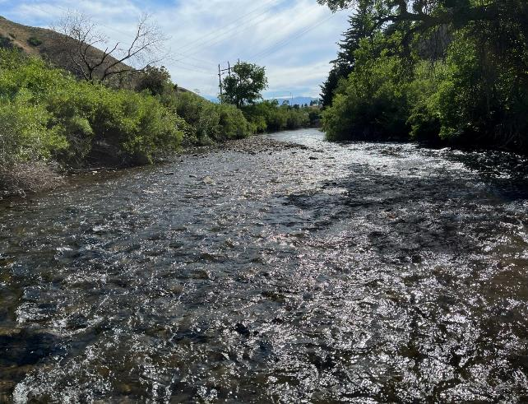
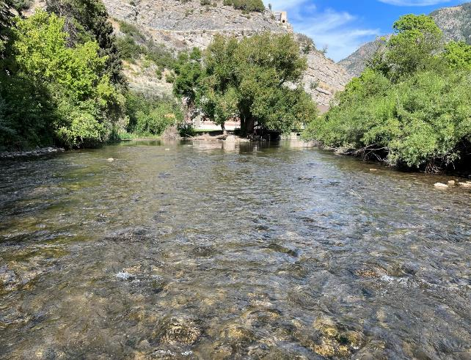
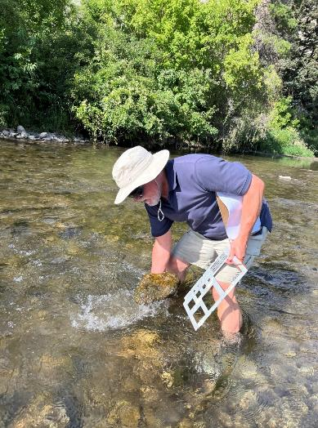
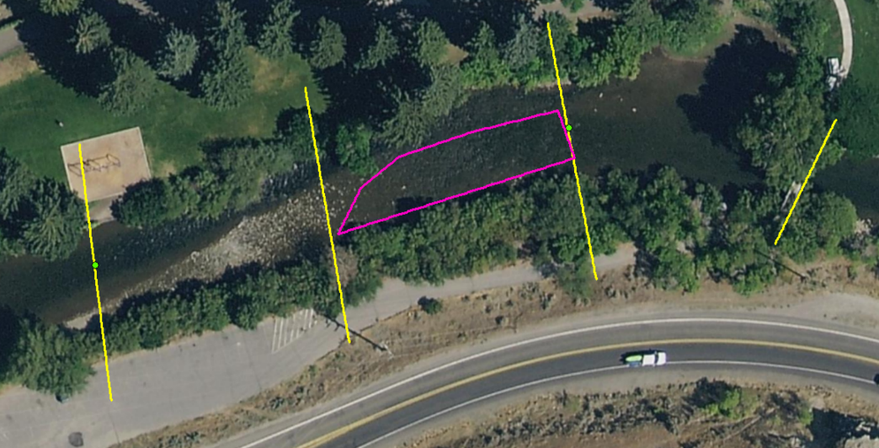
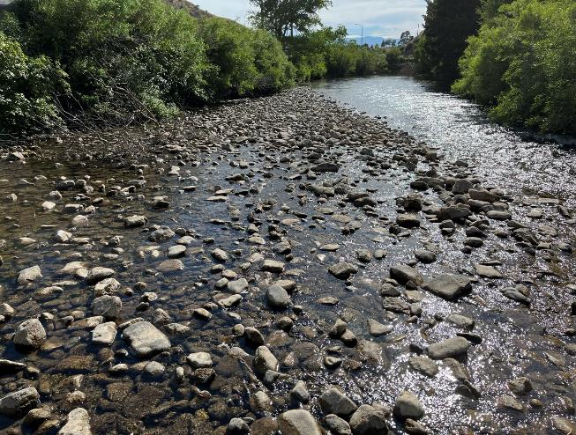
Pebble Count Extent
No count
View U/S
View D/S

Pebble count of terminal bar BL gage
PRW | TEAM |  | PRW | TEAM
27-Jul-22 | 1-Aug-23 |  | 27-Jul-22 | 1-Aug-23

Logan R AB First Dam at Gage
Count | Count | Size | %ft | %ft
 |  | (mm)
 |  | 724 | 100 | 100
1 |  | 512 | 99.0 | 100.0
 |  | 362 | 99.0 | 100.0
7 | 1 | 256 | 92.1 | 99.1
11 | 3 | 181 | 81.2 | 96.2
21 | 5 | 128 | 60.4 | 91.5
26 | 10 | 91 | 34.7 | 82.1
16 | 14 | 64 | 18.8 | 68.9
9 | 17 | 45 | 9.9 | 52.8
3 | 20 | 32 | 6.9 | 34.0
3 | 14 | 23 | 4.0 | 20.8
2 | 11 | 16 | 2.0 | 10.4
 | 5 | 11 | 2.0 | 5.7
 | 6 | 8 | 2.0 | 0.0
2 |  | < 8 | 0.0 | 0.0
101 | 106 |  |  |  | Count cobble bar in depths 10 cm - 35 cm; did not count exposed crest, which is coarser
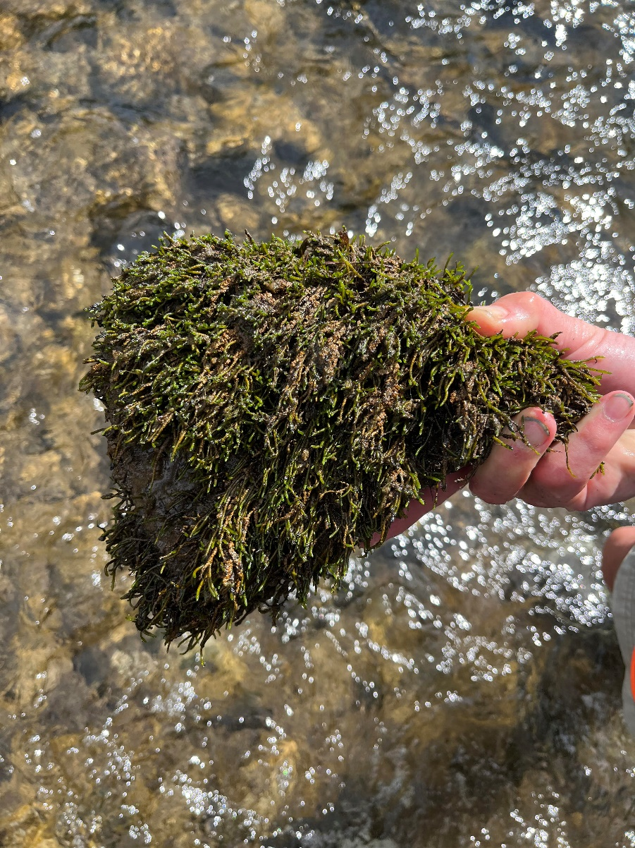

 |  |  |  |  |  | Linear interpolation on log size scale for % finer than indicated ¯¯
 | 128 |  | 60.4 | 7 | 0.596
 | 91 |  | 34.7 | 6.5 | 111 mm | 50
 | 256 |  | 92.1 | 8 | 0.809
 | 181 |  | 81.2 | 7.5 | 240 mm | 90

 | 45 |  | 52.8 | 5.5 | 0.850
 | 32 |  | 34.0 | 5 | 43 mm | 50
 | 128 |  | 91.5 | 7 | 0.840
 | 91 |  | 82.1 | 6.5 | 121 mm | 90

 |  |  |  | ks = | 3 | D90
 |  |  |  | ks = | 0.72 | m
 |  |  |  | nD = | 0.037

